Page 1
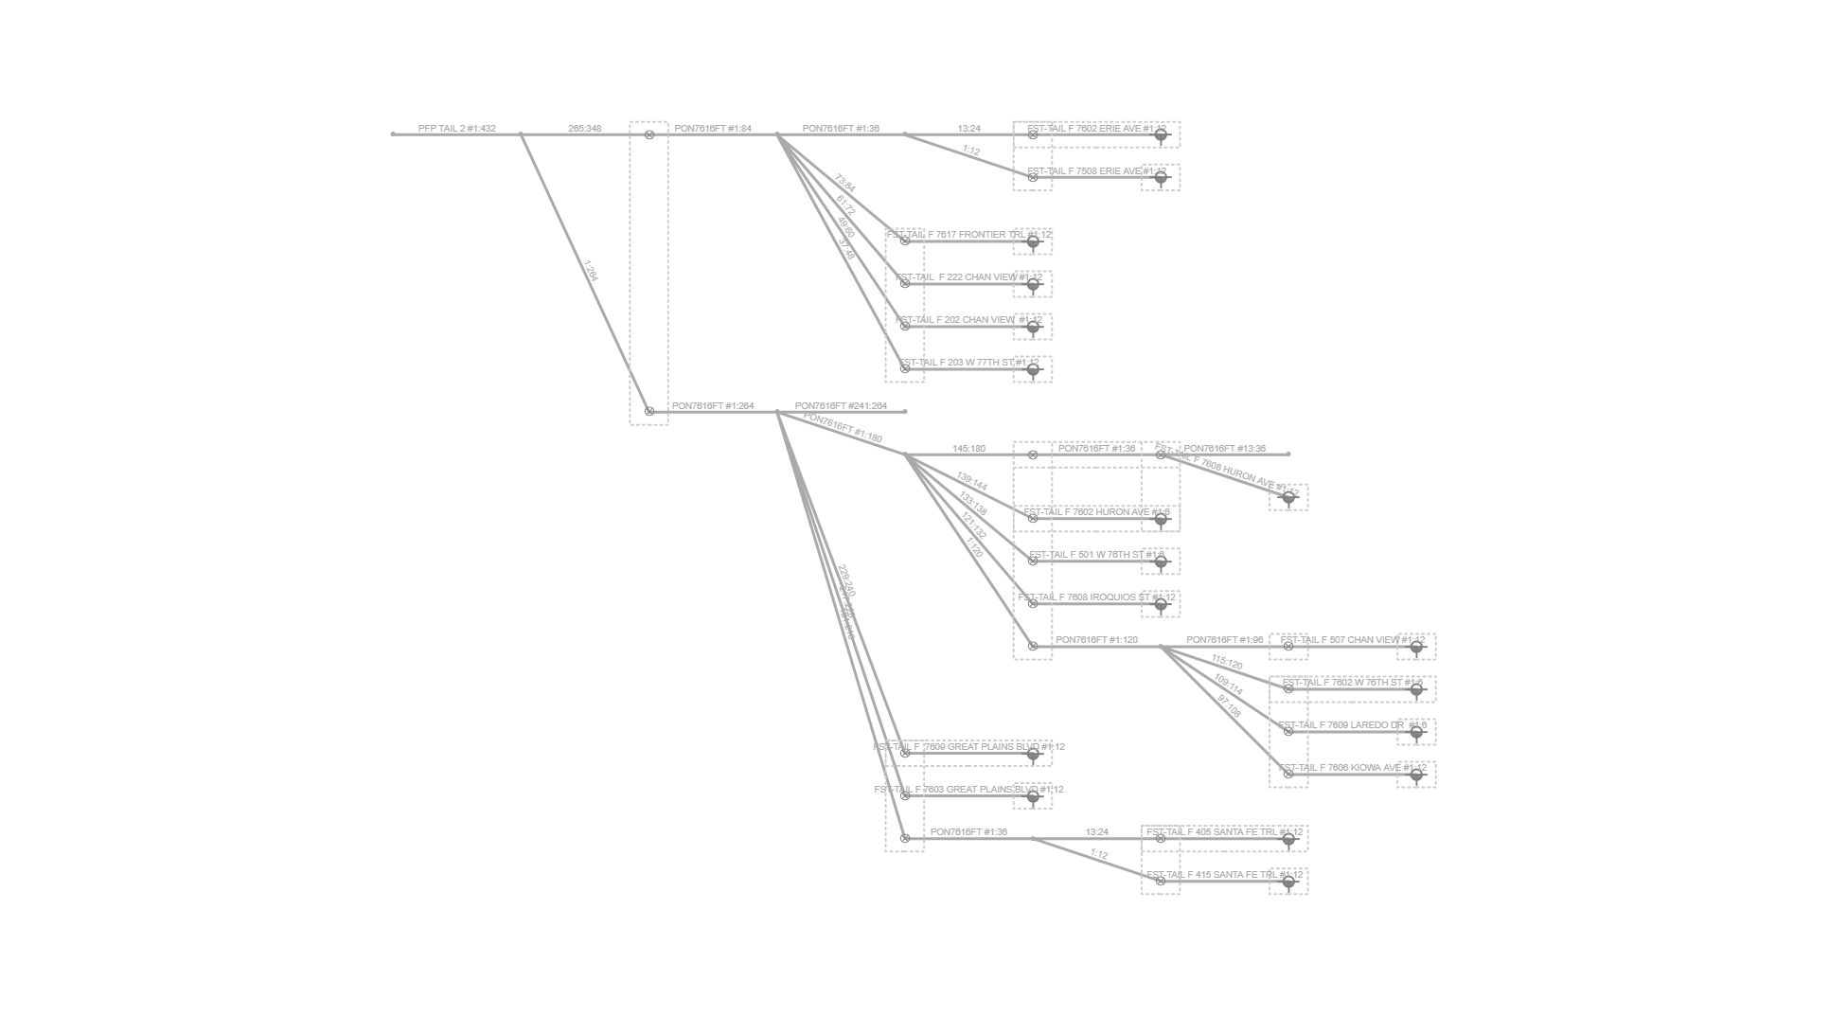
Fiber Trace Report
Cable: PFP TAIL 2 (432)
Fibers: #1:432
Design: PSA-3112PA-EDPRMNPI-CHARLIE
Date: 1/13/2025

